Sheet1
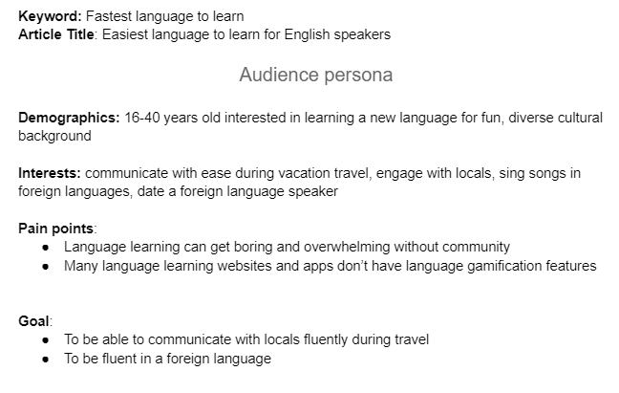
 | Average Monthly Search | Region | Related Keywords | Relevance | Target audience | Competitors | Competitors website
Language culture and society | 500 | USA | Korean culture and Traditions, ancient native american language, arab studies, cultural linguistics | Low | Xenophiles, Hallyu lovers | How to study Korean in Korean, Learn Korean in Korean | howtostudykorean.com , talktomeinkorean.com
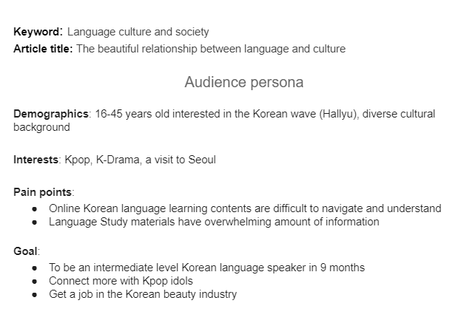

Learn language fast | 500 | USA | quickest way to learn spanish, how to learn mandarin fast, fastest way to learn korean, how to learn another language fast | Medium | Corporate learners for business, academic learners for exams, indidual learners for tourism | Babbel, Memrise | babbel.com, memrise.com
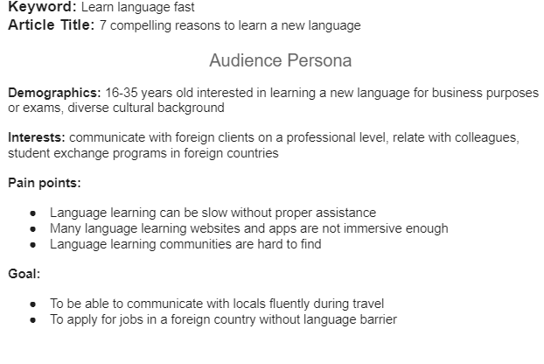

fun in korean language | 500 | USA | spanish learning games for adults, learning french with games, games to play in spanish class, fun english language games | Low | Language learners, language enthusiast | koreanunnie.com, duolingo.com, babbel.com
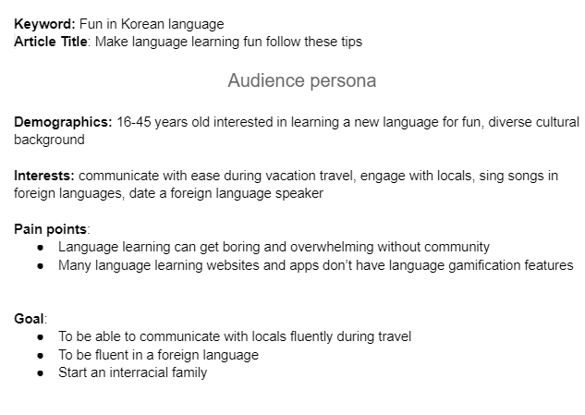

fastest language to learn | 500 | USA | fastest way to learn a language, fastest way to improve english, fastest language learning | Low | Language enthusiast | duolingo.com, Memrise.com

